TEDB Edition 40
Clean Cities is a locally-based government/industry partnership, coordinated by the U.S. Department of Energy to expand the use of alternatives to gasoline and diesel fuel. By combining the decision-making with voluntary action by partners, the "grass-roots" approach of Clean Cities departs from traditional "top-down" Federal programs.

Figure 6.1. Clean Cities Coalitions
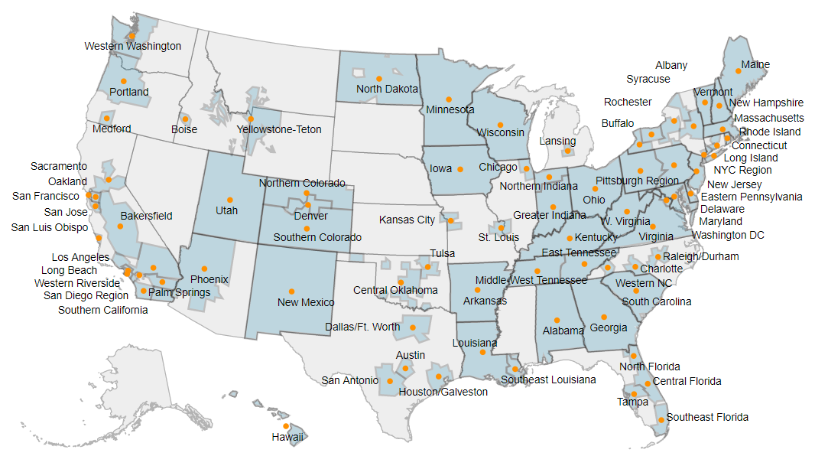

State | Coalition | Region
Alabama | Alabama Clean Fuels Coalition | Southeast
Arizona | Valley of the Sun Clean Cities Coalition (Phoenix) | South Central
Arizona | Tucson Clean Cities | South Central
Arizona | Valley of the Sun Clean Cities Coalition (Phoenix) | South Central
Arkansas | Arkansas Clean Cities | South Central
Arkansas | Arkansas Clean Cities | South Central
California | Southern California Clean Cities Coalition | California
California | East Bay Clean Cities Coalition (Oakland) | California
California | Los Angeles Clean Cities Coalition | California
California | Clean Cities Coachella Valley Region | California
California | Central Coast Clean Cities | California
California | Sacramento Clean Cities Coalition | California
California | San Francisco Clean Cities Coalition | California
California | Long Beach Clean Cities | California
California | Clean Cities Coachella Valley Region | California
California | Sacramento Clean Cities Coalition | California
California | Long Beach Clean Cities | California
California | San Diego Regional Clean Cities Coalition | California
California | Silicon Valley Clean Cities (San Jose) | California
California | Western Riverside County Clean Cities Coalition | California
California | San Joaquin Valley Clean Cities | California
California | San Diego Regional Clean Cities Coalition | California
California | Western Riverside County Clean Cities Coalition | California
Colorado | Northern Colorado Clean Cities Coalition | Northwest
Colorado | Denver Metro Clean Cities Coalition | Northwest
Colorado | Southern Colorado Clean Cities Coalition | Northwest
Connecticut | Connecticut Southwestern Area Clean Cities | Northeast
Connecticut | Greater New Haven Clean Cities Coalition | Northeast
Connecticut | Norwich Clean Cities | Northeast
Connecticut | Capitol Clean Cities of Connecticut | Northeast
Connecticut | Capitol Clean Cities of Connecticut | Northeast
Connecticut | Greater New Haven Clean Cities Coalition | Northeast
Delaware | State of Delaware Clean Cities | Mid-Atlantic
District of Columbia | Greater Washington Region Clean Cities Coalition | Mid-Atlantic
Florida | North Florida Clean Fuels Coalition | Southeast
Florida | Central Florida Clean Cities Coalition | Southeast
Florida | Central Florida Clean Cities Coalition | Southeast
Florida | Tampa Bay Clean Cities Coalition | Southeast
Florida | Southeast Florida Clean Cities Coalition | Southeast
Florida | Tampa Bay Clean Cities Coalition | Southeast
Georgia | Clean Cities-Georgia | Southeast
Georgia | Clean Cities-Georgia | Southeast
Hawaii | Sustainable Transportation Coalition of Hawaii | Northwest
Idaho | Treasure Valley Clean Cities | Northwest
Idaho, Montana, Wyoming | Yellowstone-Teton Clean Cities Coalition | Northwest
Illinois | Chicago Area Clean Cities | North Central
Indiana | South Shore Clean Cities | North Central
Indiana | Greater Indiana Clean Cities Coalition | North Central
Iowa | Iowa Clean Cities Coalition | North Central
Kansas, Missouri | Kansas City Regional Clean Cities | North Central
Kentucky | Kentucky Clean Cities Partnership | Mid-Atlantic
Louisiana | Southeast Louisiana Clean Fuel Partnership | South Central
Louisiana | Louisiana Clean Fuels | South Central
Maine | Maine Clean Communities | Northeast
Maryland | State of Maryland Clean Cities | Mid-Atlantic
Massachusetts | Massachusetts Clean Cities | Northeast
Massachusetts | Massachusetts Clean Cities | Northeast
Michigan | Greater Lansing Area Clean Cities | North Central
Michigan | Detroit Area Clean Cities | North Central
Michigan | Ann Arbor Clean Cities Coalition | North Central
Minnesota | Twin Cities Clean Cities Coalition | North Central
Missouri | St. Louis Clean Cities | North Central
New Hampshire | Granite State Clean Cities Coalition | Northeast
New Jersey | New Jersey Clean Cities Coalition | Mid-Atlantic
New Mexico | Land of Enchantment Clean Cities (New Mexico) | South Central
New York | Clean Communities of Central New York (Syracuse) | Northeast
New York | Capital District Clean Communities Coalition (Albany) | Northeast
New York | Clean Communities of Central New York (Syracuse) | Northeast
New York | Greater Long Island Clean Cities | Northeast
New York | Empire Clean Cities | Northeast
New York | Clean Communities of Western New York (Buffalo) | Northeast
New York | Genesee Region Clean Communities (Rochester) | Northeast
North Carolina | Land of Sky Clean Vehicles Coalition (Western North Carolina) | Southeast
North Carolina | Triangle Clean Cities (Raleigh, Durham, Chapel Hill) | Southeast
North Carolina | Triangle Clean Cities (Raleigh, Durham, Chapel Hill) | Southeast
North Carolina | Centralina Clean Fuels Coalition | Southeast
North Dakota | North Dakota Clean Cities | North Central
Ohio | Clean Fuels Ohio | Mid-Atlantic
Ohio | Clean Fuels Ohio | Mid-Atlantic
Ohio | Northeast Ohio Clean Cities Coalition (Cleveland) | Mid-Atlantic
Oklahoma | Tulsa Clean Cities | South Central
Oklahoma | Central Oklahoma Clean Cities (Oklahoma City) | South Central
Oregon | Rogue Valley Clean Cities | Northwest
Oregon | Columbia-Willamette Clean Cities | Northwest
Pennsylvania | Eastern Pennsylvania Alliance for Clean Transportation | Mid-Atlantic
Pennsylvania | Pittsburgh Region Clean Cities | Mid-Atlantic
Rhode Island | Ocean State Clean Cities | Northeast
South Carolina | Palmetto State Clean Fuels Coalition | Southeast
South Carolina | Palmetto State Clean Fuels Coalition | Southeast
Tennessee | East Tennessee Clean Fuels Coalition | Southeast
Tennessee | Middle-West Tennessee Clean Fuels Coalition | Southeast
Texas | Dallas-Fort Worth Clean Cities | South Central
Texas | Alamo Area Clean Cities (San Antonio) | South Central
Texas | Lone Star Clean Fuels Alliance (Central Texas) | South Central
Texas | Houston-Galveston Clean Cities | South Central
Utah | Utah Clean Cities | Northwest
Vermont | Vermont Clean Cities | Northeast
Virginia | Virginia Clean Cities | Mid-Atlantic
Washington | Western Washington Clean Cities | Northwest
West Virginia | State of West Virginia Clean Cities | Mid-Atlantic
Wisconsin | Wisconsin Clean Cities | North Central

Source:
U.S. Department of Energy, Clean Cities website, “Clean Cities Coalition Locations,” cleancities.energy.gov/coalitions/locations, August 2020. (Additional resources: cleancities.energy.gov)

